Sheet5
Countries involved in WWI 1914-1918

Countries involved in WWI 1914-1918
Country | Allied/Entente Power | Central Power | Neutral
Albania |  |  | X
Algeria | X
Austria-Hungary |  | X
Belgium
Bulgaria |  | X
Denmark |  |  | X
France | X
Germany |  | X
Greece | X
Italy | X
Luxemburg |  |  | X
Montenegro | X
Morocco | X
Netherlands |  |  | X
Norway |  |  | X
Ottoman Empire |  | X
Portugal | X
Romania | X
Russia | X
Serbia | X
Spain |  |  | X
Sweden |  |  | X
Switzerland |  |  | X
Tunisia | X
United Kingdom | X
United States | X
 | 13 | 4 | 8

Sheet1
WWI Population

Country | Number of Combatants
Austria-Hungary | 7,800,000
Belgium | 267,000
Bulgaria | 1,200,000
France | 8,410,000
Germany | 11,000,000
Greece | 230,000
Italy | 5,615,000
Montengro | 50,000
Ottoman Empire | 2,850,000
Portugal | 100,000
Romania | 750,000
Russia | 12,000,000
Serbia | 707,343
United Kingdom | 8,940,000
USA | 4,355,000

*Most figures rounded

Sheet2
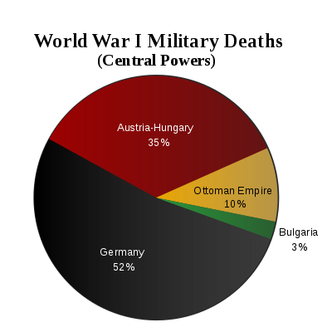
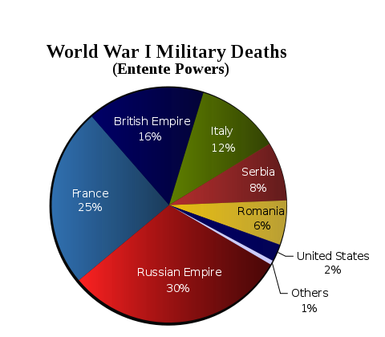
Casualties of the Western Front |  | Casualties of WWI - Total

Central Powers | 3,297,683 | Central Powers | 37,508,686
Allies/Entente | 4,077,838 | Allies /Entente | 22,104,209

Source: Wikipedia |  | Source: http://www.spartacus.schoolnet.co.uk/FWWdeaths.htm

Western Front Casualties
Casualties of WWI (Total)

